1. Title Page
Project Name: Instacart Grocery Basket Analysis
Date: 17.10.2025
Analyst Name: Daria Navrotska
Data Sources: Instacart open-source dataset
Description: This analysis explores customer ordering behavior and purchasing trends based on Instacart transaction data.

Contents:
Population Flow
Consistency checks
Wrangling steps
Column derivations
Visualizations
Recommendations

2. Population Flow
Title page

Population flow

Orders_products_combined
Orders_products_merged
Orders_products_all

Total: 32404859
Total: 32434489
Total: 32404859

1.) The grey boxes in the first row of the population flow represent the original data sets as they were when you downloaded them. In the Total fields you need to add the count of the rows when you imported the data set into Jupyter.
2.) The second row of boxes (coloured) represents the data sets after you manipulated them, e.g., removed missing values and duplicates. In the Total fields you need to add the count of the rows after conducting these operations. This offers a visual oveview of how the data flows throughout the data consistency checks.
3.) The third row, where also the arrows are coloured, represents the merges you performed between the datasets. In the Total fields you need to add the count of the rows in the merged datasets, so that you end up with the final dataset (in the red box). Keep in mind the final dataset should be without exclusions (based on the exclusion flag).

3. Consistency checks
 |  |  |  | Title page
Consistency checks

Dataset | Missing values | Missing values treatment | Duplicates
orders | 206209 missing values (in 'days_since_prior_order' column) | Seems like the missing values in the column days_since_prior_order are customer's first order. So these records cannot be deleted. Instead we can introduce new column which clarify it is true or not. | 0
products | 16 missing values (in 'product_name' column) | Made new dataframe without the missing values (df_prods_clean) | 5
orders_products_prior | N/A | N/A | N/A
customers | 11,259 missing values (in 'first_name' column) | First name and surname columns were droped from analysis | N/A (column dropped from data and not used in analysis)

4. Wrangling steps
 |  |  |  | Title page
Wrangling steps

Columns dropped | Columns renamed | Columns' type changed | Comment/Reason
eval_set (orders dataframe) |  |  | Irrelevant to analysis
 | 'order_dow' to 'orders_day_of_week' |  | Provide more information
 |  | 'order_id' changed from integer to string (data type 'o') | To exclude from descriptive statistics calculations
 |  | Changed 'user_id' from integer to string (data type 'o') | To exclude from descriptive statistics calculations. To match data types between dataframes and allow merge between customer data on that column.
First_name |  |  | Contains PII and not necessary for analysis.
Surnam |  |  | Contains PII and not necessary for analysis.
 | 'First Name' to 'first_name' |  | Changed for consistency - to match format of other columns.
 | 'Surnam' to 'surname' |  | Incorrect spelling. Changed format for consistency - to match format of other columns.
 | 'Gender' to 'gender' |  | Changed for consistency - to match format of other columns.
 | 'STATE' to 'state' |  | Changed for consistency - to match format of other columns.
 | 'Age' to 'age' |  | Changed for consistency - to match format of other columns.

5. Column derivations
 |  |  |  |  | Title page

Column derivations and aggregations

Dataset | New column | Column/s it was derived from | Conditions | * flags marked as light-green color
df_ords_prods_merge | price_range_loc | prices | If value less than or equal to 5 (<= 5) = 'Low-range Product' If value more than 5 dollars, but less than or equal to 15 (<5 and <=15) = "Mid-range product" If value more than 15 dollars (>15) = 'High-range product' | Grouping the products into price ranges.
df_ords_prods_merge | busiest_day | 'orders_dow' | result = [] for value in df_ords_prods_merge["order_dow"]: if value == 0: result.append("Busiest day") elif value == 4: result.append("Least busy") else: result.append("Regularly busy") | Labels the busiest (and least busiest) day of the week.
df_ords_prods_merge | busiest_days | 'orders_dow' | results = [] for value in df_ords_prods_merge["order_dow"]: if value in (0, 1): results.append("Busiest days") elif value in (3, 4): results.append("Slowest days") else: results.append("Regular days") | Labels the top 2 busiets days of the week.
df_ords_prods_merge | busiest_period_of_day | order_hour_of_day | results_hours = [] for value in df_ords_prods_merge["order_hour_of_day"]: if value in (9, 10, 11, 12, 13, 14, 15, 16): results_hours.append("Most orders") elif value in (7, 8, 17, 18, 19, 20, 21, 22): results_hours.append("Average orders") else: results_hours.append("Fewest orders") | To breakdown hours of day into three periods accourding to orders
df_ords_prods_merge | max_order | order_number and user_id | ords_prods_merge['max_order'] = ords_prods_merge.groupby(['user_id'])['order_number'].transform(np.max) | Targeting different types of spenders in marketing campaign.
df_ords_prods_merge | loyalty_flag | max_order | ords_prods_merge.loc[ords_prods_merge['max_order'] > 40, 'loyalty_flag'] = 'Loyal customer' ords_prods_merge.loc[(ords_prods_merge['max_order'] <= 40) & (ords_prods_merge['max_order'] > 10), 'loyalty_flag'] = 'Regular customer' ords_prods_merge.loc[ords_prods_merge['max_order'] <= 10, 'loyalty_flag'] = 'New customer' | Categorizes customers by loyalty status.
df_ords_prods_merge | spending_flag | spend_by_user_avg | ords_prods_merge.loc[ords_prods_merge['spend_by_user_avg'] < 10, 'spending_flag'] = 'Low spender' ords_prods_merge.loc[ords_prods_merge['spend_by_user_avg'] >= 10, 'spending_flag'] = 'High spender' | Identifies customer ordering behavior - frequent vs. non-frequent customers.
df_ords_prods_merge | order_frequency_flag | regul_user_median | ords_prods_merge['regul_user_median'] = ords_prods_merge.groupby(['user_id'])['days_since_prior_order'].transform(np.median) ords_prods_merge.loc[ords_prods_merge['regul_user_median'] > 20, 'order_frequency_flag'] = 'Non-frequent customer' ords_prods_merge.loc[(ords_prods_merge['regul_user_median'] > 10) & (ords_prods_merge['regul_user_median'] <= 20), 'order_frequency_flag'] = 'Regular customer' ords_prods_merge.loc[ords_prods_merge['regul_user_median'] <= 10, 'order_frequency_flag'] = 'Frequent customer' | For customer ordering habits - used the median days that pass between orders and flagged based on that.
df_ords_prods_merge | regul_user_median | days_since_prior_order and user_id | ords_prods_merge['regul_user_median'] = ords_prods_merge.groupby(['user_id'])['days_since_prior_order'].transform(np.median) | Understanding the ordering behavior of customers.
df_2 (final dataframe) | region | state | df['state_abbrev'] = df['state'].map(state_abbrev) df['region'] = df['state_abbrev'].map(region_map) | Categorizes states regionally.
df_2 (final dataframe) | department | department_id | dept_map = { 1: 'frozen', 2: 'other', 3: 'bakery', 4: 'produce', 5: 'alcohol', 6: 'international', 7: 'beverages', 8: 'pets', 9: 'dry goods pasta', 10: 'bulk', 11: 'personal care', 12: 'meat seafood', 13: 'pantry', 14: 'breakfast', 15: 'canned goods', 16: 'dairy eggs', 17: 'household', 18: 'babies', 19: 'snacks', 20: 'deli', 21: 'missing'} df_2.loc[:, 'department'] = df_2['department_id'].map(dept_map) | Change department id to names
df_2 (final dataframe) | customer_activity | max_order | df.loc[df['max_order'] < 5, 'customer_activity'] = 'low' df.loc[df['max_order'] >= 5, 'customer_activity'] = 'high' | Sorts customers as high vs low-activity.
df_2 (final dataframe) | age_category | age | df_2.loc[(df_2['age'] <= 33) & (df_2['n_dependants'] >= 1), 'age_category'] = 'Young Parent' df_2.loc[(df_2['age'] <= 33) & (df_2['n_dependants'] == 0), 'age_category'] = 'Young Single' df_2.loc[(df_2['age'] > 33) & (df_2['age'] < 65) & (df_2['n_dependants'] >= 1), 'age_category'] = 'Middle-aged Parent' df_2.loc[(df_2['age'] > 33) & (df_2['age'] < 65) & (df_2['n_dependants'] == 0), 'age_category'] = 'Middle-aged Single' df_2.loc[df_2['age'] >= 65, 'age_category'] = 'Senior' | Ages categories based on age and dependants.

6. Visualizations
 |  | Title page

Visualisations

In this tab you should include all the visualtions from Exercises 4.9 and 4.10, alongside the questions from the project brief that they answer. Include any commentary on the relationship between different variables.


1. The sales team needs to know what the busiest days of the week and hours of the day are (i.e., the days and times with the most orders) in order to schedule ads attimes when there are fewer orders.

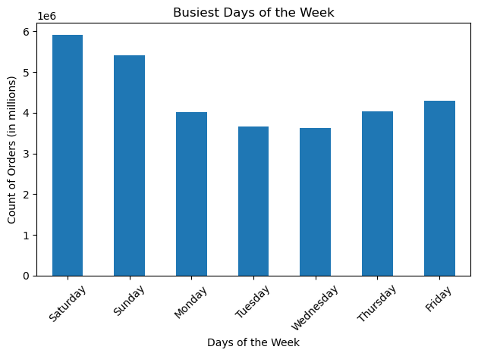

The histogram indicates that order activity is very low between midnight and 5 a.m. Starting around 6 a.m., volume rises sharply, peaking between 8 and 10 a.m. From 10 a.m. to 3 p.m., order counts remain consistently elevated before tapering off noticeably after 5–6 p.m. In summary, the data show that customer ordering behavior is concentrated in the late morning and early afternoon, with minimal engagement during nighttime hours.
Order volume peaks on Saturday and Sunday, making them the busiest days of the week. Tuesday and Wednesday consistently show the lowest order counts.

 | 2. They also want to know whether there are particular times of the day when people spend the most money, as this might inform the type of products they advertise at these times.

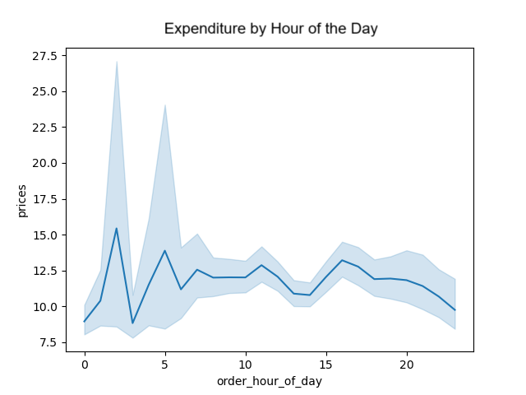

- Expenditure peaks during early morning hours, particularly around 2am and 4am, times when overall order volume is typically at its lowest. This pattern suggests that although fewer orders are placed during these hours, customers tend to purchase higher-priced items, driving up the average expenditure.
- After 5am, while the number of orders increases, average spending per order declines, indicating a shift toward more frequent, but lower-cost purchases throughout the day.
- May consider targeted promotions or premium product placements during off-peak hours to capitalize on this high-value behavior.

 | 3. Instacart has a lot of products with different price tags. Marketing and sales want to use simpler price range groupings to help direct their efforts.


- Prices are grouped into three categories: low-range, mid-range, and high-range.
- The histogram displays item prices from under $5 up to $25, along with their frequency.
- Most products are priced below $15, indicating a concentration in the low to mid-range.
- Items priced above $15 are relatively rare, representing the high-range segment.
- The sharp drop in frequency beyond $15 suggests limited consumer demand or availability for higher-priced products.
- This distribution can guide pricing strategies, inventory decisions, and promotional targeting toward the most common price points.

 | 4. Are there certain types of products that are more popular than others? The marketing and sales teams want to know which departments have the highest frequency of product orders.

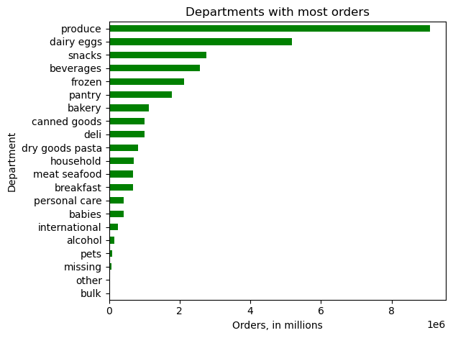
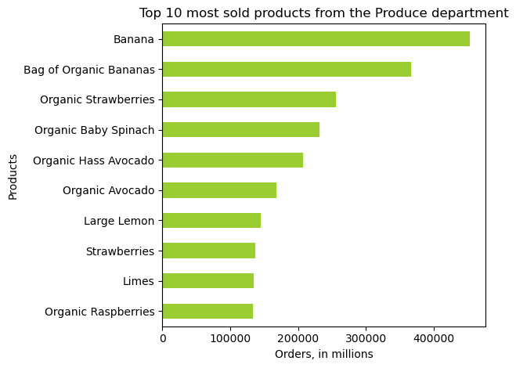

The Produce department leads in overall order volume, followed by Dairy & Eggs, Snacks, Beverages, and Frozen, indicating these are core staples for customers. In contrast, departments like Pets, Alcohol, and International receive the fewest orders, suggesting lower demand or more niche appeal.
Within Produce, bananas are the top-selling item, with nearly half a million orders. Other popular items include Bag of Organic Bananas, Organic Strawberries, and Organic Baby Spinach, reflecting strong interest in fresh and organic options.
Overall, customer preferences lean heavily toward everyday essentials and health-conscious produce.

 | 5. The marketing and sales teams are particularly interested in the different types of customers in their system and how their ordering behaviors differ. 5a) What’s the distribution among users in regards to their brand loyalty (i.e., how often do they return to Instacart)? 5b) Are there differences in ordering habits based on a customer’s loyalty status?

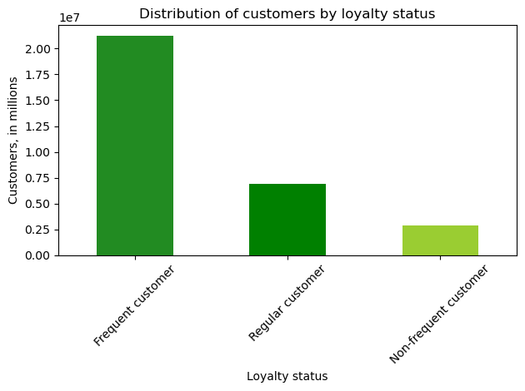
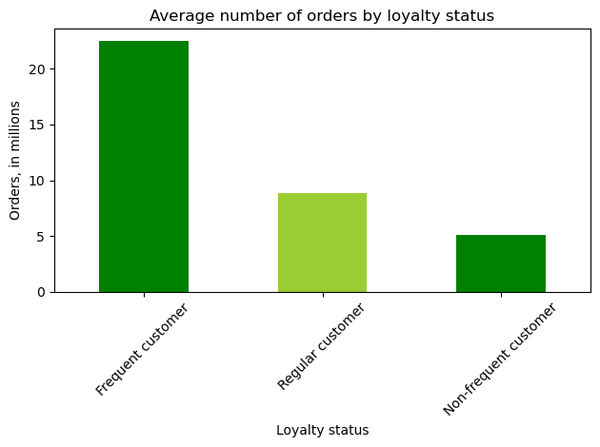

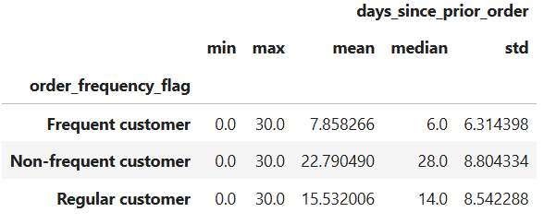

Despite the disparity in customer count, Frequent customers place over 20 million orders - four times more than Non-frequent customers - highlighting their dominant role in overall order volume. Frequent customers order every 8 days on average, compared to 15 days for Regular and nearly 23 days for Non-frequent customers, indicating a significantly higher engagement cadence. The compressed purchase cycle and elevated order volume among frequent customers suggest strong loyalty and present an opportunity to reinforce retention through targeted programs. Regular and Non-frequent customers show similar per-capita order rates, but their longer intervals between purchases may signal lower engagement or unmet needs.

 | 5c) Are there differences in ordering habits based on a customer’s region?

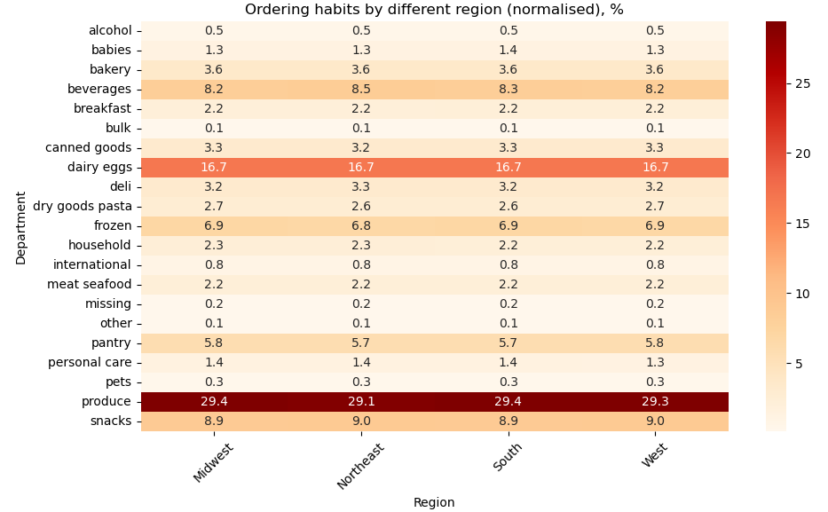
Department preferences remain largely consistent across regions, with produce, dairy/eggs, pantry items, and beverages ranking among the most ordered categories. The South and Midwest show nearly identical ordering patterns, both leading in produce purchases at 29.4%, followed closely by the West and Northeast.
The Northeast exhibits slightly higher relative interest in beverages items compared to other regions, indicating potential for targeted promotions in these categories. The West and Northeast show a marginally stronger preference for snacks, while the Midwest and West conssume more dry goods and pasta. That may reflect lifestyle or demographic influences unique to these regions.
International and bulk departments remain consistently low across all regions, suggesting limited demand or niche appeal.
The uniformity in top department shares across regions supports a centralized merchandising strategy, while subtle regional differences offer opportunities for localized assortment optimization.

 | 5d) Is there a connection between age and family status in terms of ordering habits?
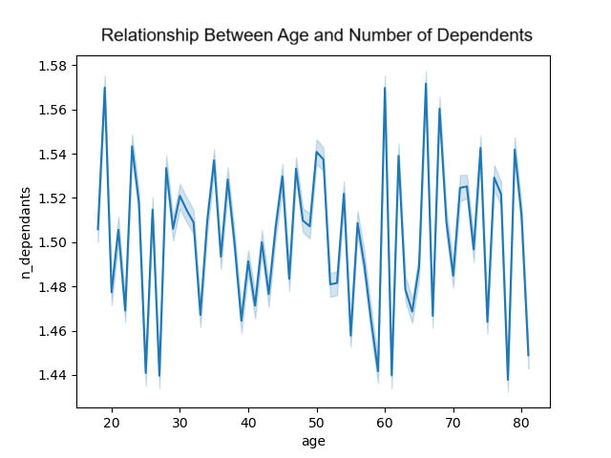
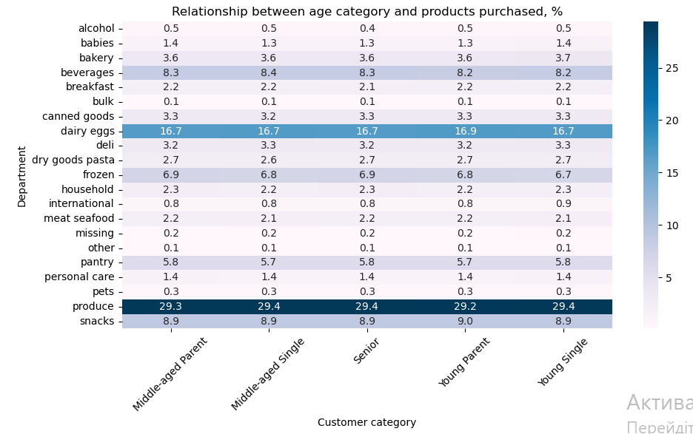

- Age and number of dependents are not related
- It is wide variation observed. Young, middle-aged, and older customers all have dependents, suggesting that age alone isn't directly related to the number of dependents customers have.

The heatmap illustrates the relationship between customer age and lifestyle categories and their product preferences across departments. Department popularity remains consistent across all segments, with produce leading at approximately 29.3–29.4% of purchases, followed by dairy eggs, snacks, beverages, frozen, and pantry items. These core categories dominate regardless of age or family status. Middle-aged parents, Seniors and Young Single show slightly higher engagement in pantry and dairy items. Baby-related purchases are concentrated among Midle-aged parents and Young-Single, whereas alcohol and pet products remain low across all segments.

 | 5e) What different classifications does the demographic information suggest? Age? Income? Certain types of goods? Family status?

Customer age and income do not have direct relationship suggesting that age alone does not directly impact income status.

The statistical summary confirms that age category does not significantly influence expenditure behavior. Mean values across all segments, from seniors to young singles, are tightly clustered between 11.76 and 12.32, with identical medians and quartiles. This uniformity suggests that neither age nor lifestyle status drives meaningful variation in spending, reinforcing the need to look beyond demographic markers when segmenting for value or targeting promotions.
Prices

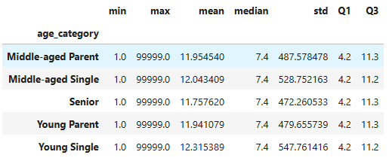

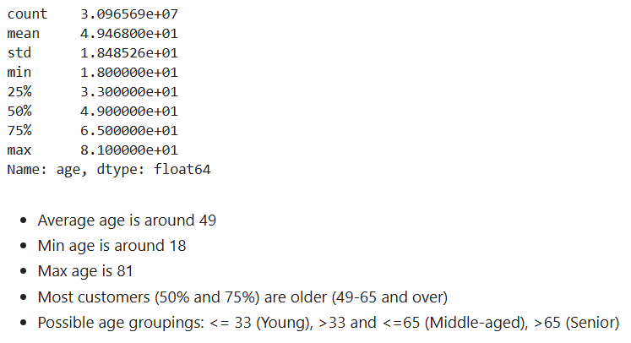

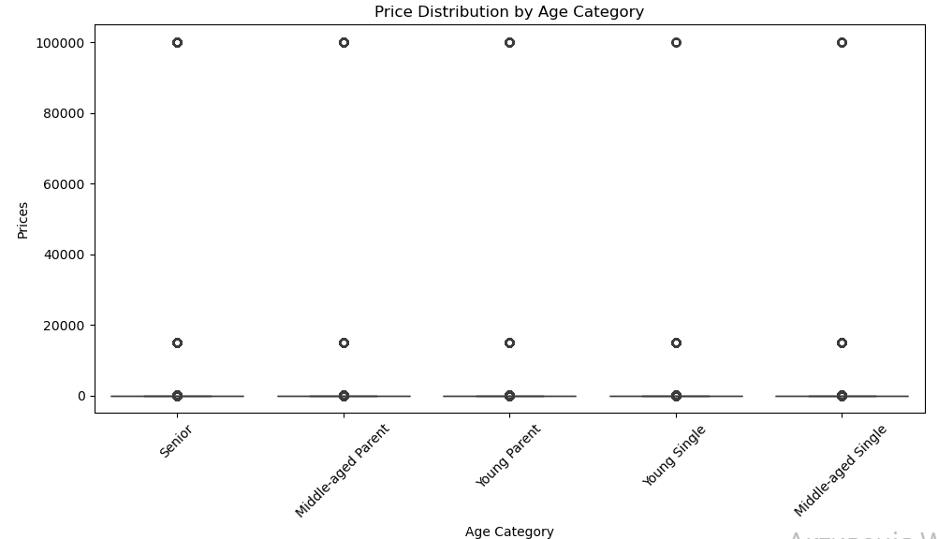

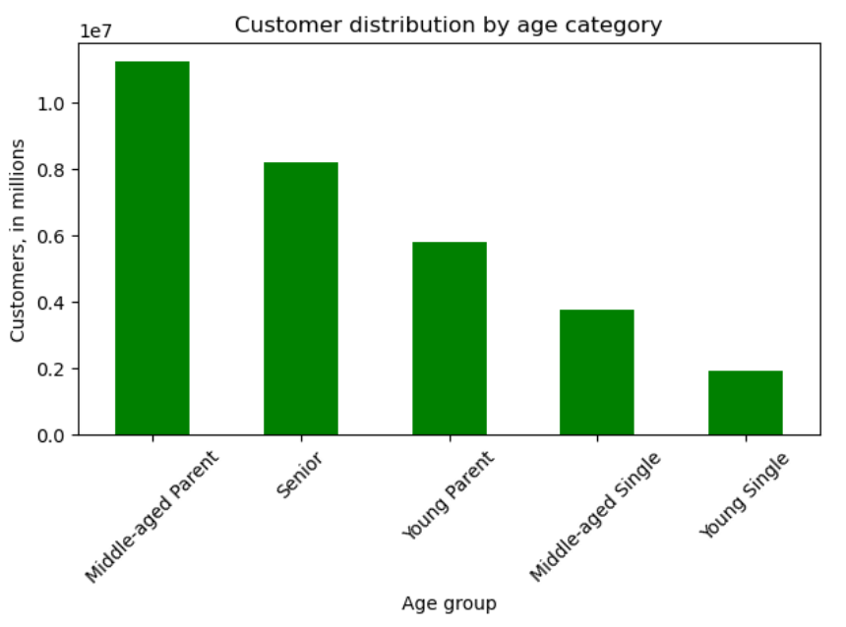
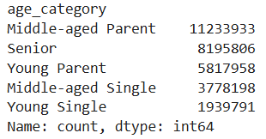

The majority of customers are Middle-aged (over 33), while Young adults represent the smallest segment - though their numbers are comparable to those of Seniors.

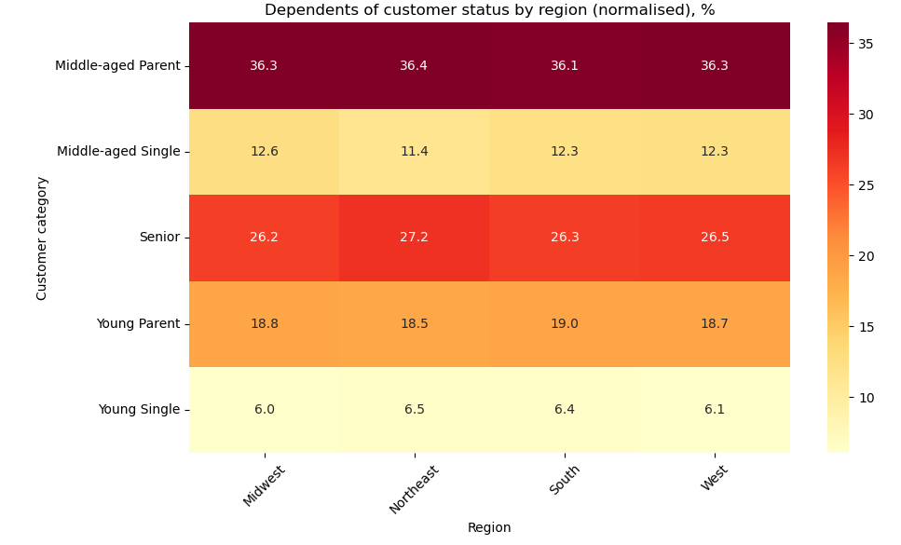
The heatmap reveals that middle-aged parents and seniors consistently represent the largest share of dependents across all U.S. regions, reinforcing their classification as family-oriented households.
The South shows a slightly higher concentration of these groups, while the Midwest and West exhibit nearly identical distributions, suggesting balanced demographic representation. In contrast, the Northeast has the lowest proportion of dependents, particularly among young and middle-aged singles, indicating a regional skew toward single-person households. Young parents maintain moderate levels of dependents nationwide, whereas young singles consistently account for the smallest share.

 | 5f) What differences can you find in ordering habits of different customer profiles? Consider the price of orders, the frequency of orders, the products customers are ordering, and anything else you can think of.

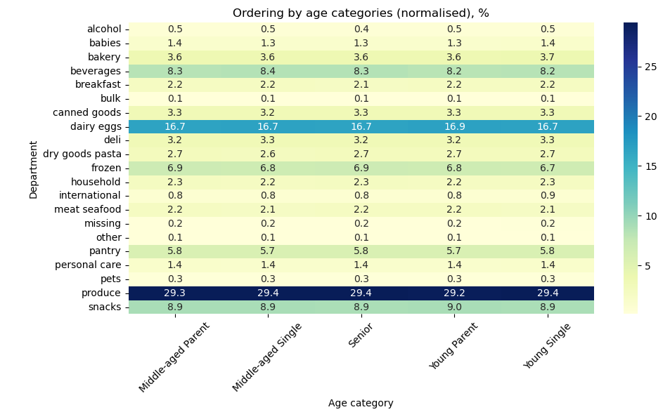
The heatmap reveals that purchasing behavior across store departments remains largely consistent regardless of age category. Produce, snacks, and dairy/eggs dominate order volume across all segments, with minimal variation in preference intensity. No department emerges as distinctly favored by any single age group, suggesting that age alone does not significantly influence department-level shopping patterns. This uniformity supports broad merchandising strategies while indicating that more nuanced factors - such as lifestyle or household composition - may better explain product-level engagement.

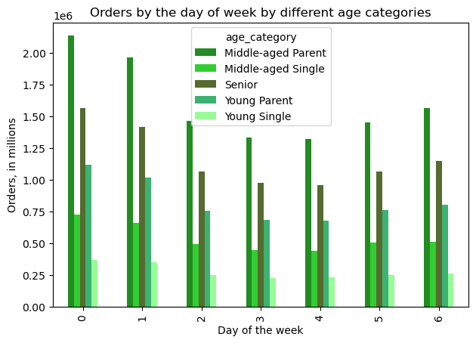

The chart shows that Middle-aged Parents are the most active shoppers throughout the week, especially on day 0 (Sunday), which sees peak order volume across all groups. All categories place the most orders on Saturday and Sunday (0 and 1).

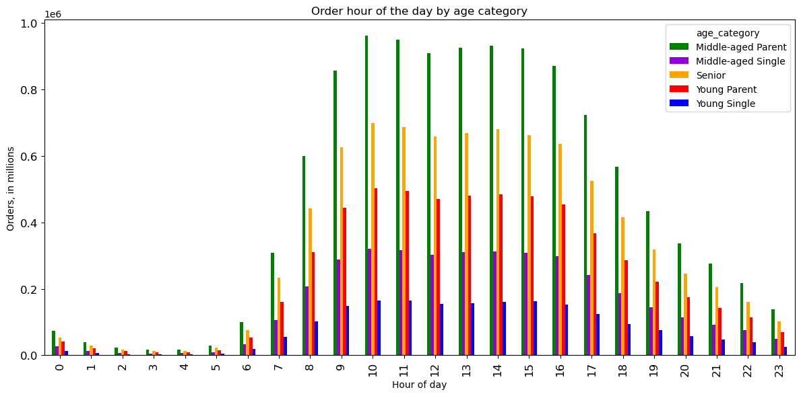

A bar chart show peaks in ordering times.
The chart shows that each age group follows the same trend, but in varying degrees.
Middle-aged Parents place the most orders, followed by Seniors, with Young Single placing the least amount of orders during any hour.
All age groups place the most orders at 10 am (peak).
After 3pm observed less orders following till the end of the day.
The lowest amount of orders are placed after midnight till 5am.

7. Recommendations
 |  | Title page

Recommendations

In this tab you should include any recommendations you would made to Instcart in terms of their marketing strategy based on the questions posed in the brief. Every key question has been covered in the Tasks of the Exercises - here you need to add an item - a visualisation or table/crosstable that is showing the answer in the data, acompanied by a comment from you. Please, list the questions below and add the answer underneath.

Question | Answer

 | Results: Order volume is highest on weekends, especially Saturday and Sunday, while Tuesday and Wednesday show the lowest activity. Daily ordering behavior is concentrated between 8 a.m. and 3 p.m., with a sharp rise starting at 6 a.m. and a noticeable decline after 5–6 p.m. Nighttime engagement (midnight to 5 a.m.) remains minimal. Recommendations: Prioritize marketing campaigns and product launches on weekends to leverage peak traffic. Schedule promotional messaging and flash deals during late morning and early afternoon hours (8 a.m.–3 p.m.) to align with customer engagement patterns. Consider reducing ad spend or shifting strategy during low-activity windows like Tuesday, Wednesday, and overnight hours.
1

2 | Results: Analysis reveals that customer expenditure peaks during early morning hours (2–4am), despite low order volumes. After 5am, order frequency increases but average spend per order declines, indicating a shift toward lower-cost purchases throughout the day. Recommendations: Leverage high-value behavior during off-peak hours by promoting premium products or exclusive deals between 2–4am. During peak volume hours, focus on volume-driven strategies like bundle offers or loyalty incentives to maximize engagement and revenue.

3 | Results: The price distribution is heavily skewed toward low- and mid-range items, with most products priced under $15. High-range items (above $15) are relatively scarce, and their low frequency suggests limited demand or availability in that segment. Recommendations: Focus pricing and inventory strategies on the sub-$15 range to align with consumer purchasing behavior. Promotional efforts should emphasize value-driven messaging for low- and mid-range products, while selectively testing premium offerings to assess potential for high-range growth.

4 | Results: The Produce department received the highest number of orders, followed by Dairy & Eggs, Snacks, Beverages, and Frozen, confirming their role as essential categories in customer shopping behavior. Within Produce, bananas and organic items like strawberries and baby spinach were top sellers, indicating a strong preference for fresh and health-conscious choices. Recommendations: Prioritize inventory and promotional efforts around high-performing departments and popular produce items to sustain demand and customer satisfaction. Consider expanding the organic product range and optimizing placement strategies to capitalize on the growing interest in healthy food options.

5a+b | Results: Frequent customers account for the majority of orders, placing over 20 million, four times more than Non-frequent customers, despite their shorter purchase cycle of just 8 days. This signals strong loyalty and sustained engagement relative to other segments. Recommendations: Prioritize retention strategies for frequent customers through targeted loyalty programs, while activating regular and non-frequent segments with personalized incentives to reduce purchase intervals and boost engagement.

5c | Results: Produce, dairy/eggs, pantry, and beverages consistently lead across all regions, with the South and Midwest showing nearly identical ordering patterns. Regional nuances - such as elevated beverage interest in the Northeast and stronger dry goods demand in the Midwest and West - suggest lifestyle-driven preferences. Recommendations: Maintain a centralized assortment for core departments while leveraging regional insights to tailor promotions, especially for beverages in the Northeast and dry goods in the Midwest and West. Low engagement in international and bulk categories may warrant selective expansion or repositioning based on niche demand.

5d | Results: Age is not a reliable predictor of dependent count, as wide variation exists across all age groups. Core product preferences - such as produce, dairy/eggs, snacks, and pantry items - remain consistent across customer segments, while lifestyle-driven nuances emerge in categories like baby products and beverages. Recommendations: Segment marketing strategies by household status rather than age alone to better align with actual consumer needs. Prioritize inventory and promotions for produce and family-oriented categories, especially targeting Middle-aged Parents and Young Parents.

5e | Results: Age does not correlate directly with income or spending, as both metrics remain consistent across customer segments. Middle-aged individuals form the largest demographic group, with middle-aged parents and seniors representing the highest share of dependents nationwide, especially in the South. Recommendations: Avoid relying on age alone for income or value segmentation; instead, incorporate household status and regional patterns to refine targeting. Prioritize family-oriented messaging in the South, while tailoring single-household strategies for the Northeast.

5f | Results: Purchasing behavior across departments is consistent across age groups, with produce, snacks, and dairy/eggs leading in order volume. Middle-aged Parents are the most active shoppers, especially on weekends and during morning hours, with peak activity at 10 a.m. and a sharp decline after 3 p.m. Recommendations: Maintain a broad merchandising strategy for core departments while optimizing promotional timing for high-engagement windows, particularly weekend mornings. Tailor outreach to Middle-aged Parents and Seniors, who drive the highest order volumes, and explore engagement strategies for lower-activity segments like Young Singles.

